Available Pacakages
When booking T's Liquor Lane for an event at Haue Valley, A nonrefundable event fee of $600.00 will be added to your quote. This fee will be due as a deposit one month prior to your event. The fee covers two bartenders and the liquor liability insurace required for the event. By sending this form to be quoted, you are acknowledging that you have read this agreement. |  |  | * Canned beers come in 24pks
 |  |  | *Craft Beers come in kegs only
 |  |  | *Liquors come in 1.75L bottles unless posted otherwise
 |  |  | *Wine bottles come in 750ml unless posted otherwise

 |  | Basic Package | Select Package | Premuim Package
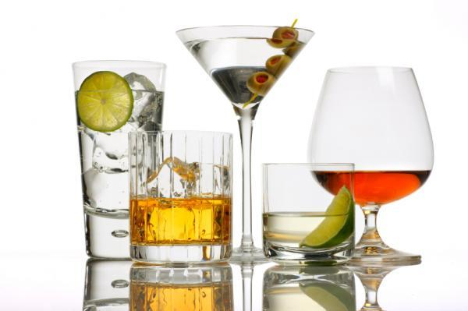 |  | This package is designed to accommodate a small guest list or a guest list that is a very moderate drinking crowd. It is also designed for simplicity. This package includes up to 2 beers, up to 3 wines, and up to 2 signature Drinks. Select items from Drop Down Menu below. | This package is designed to accommodate any size guest list while still offering a nice selection behind the bar. This package includes up to 3 beers, 3 wines, 3 liquors, and up to 2 signature drinks. Select items from Drop Down Menu below. | This package is designed to accommodate the most diverse selection for your bar. It can accommodate a large diverse crowd, or a small group while offering the most options. This package includes up to 5 beers, up to 4 wines, and up to 6 liquors. It can also include up to 2 signature drinks. Select items from Drop Down Menu below.

Name |  | Basic Package | Select Package | Premium Package
My date is booked at HV | Yes or No | Select up to 2 Beers | Select up to 3 Beers | Select up to 5 Beers
Date of Event
Time of Event
E-mail Address |  | Select up to 3 Wines
Venue | Haue Valley |  | Select up to 3 Wines
Type of Event
Phone Number | ( ) |  |  | Select up to 4 Wines
Alternative Number | ( ) | Select up to 2 Signature Drinks
# of Guests |  |  | Select up to 3 Liquors
Beer
Champagne for Toast |  | Bar Set up Package (Recommended)
Toast for # of Guest |  |  |  | Select up to 6 Liquors
We recommend any event or wedding to purchase the Bar Set Up package. This package will make the bar decisions so much easier, and give your guests the full bar experience. This package includes all your ice, Coke, Dt. Coke, Sprite, tonic water, club soda, water, cranberry juice, orange juice, pineapple juice, sweet & sour mix, bloody mary mix, limes, lemons, oranges, olives, cherries, all your cups and bar napkins.

 |  | Any Special Requests | Select up to 2 Signature Drinks

 |  |  | Bar Set up Package (Recommended)
 |  |  |  | Select up to 2 Signature Drinks

 |  |  |  | Bar Set up Package (Recommended)
Additional Drink Choices if Desired

Long Order Form
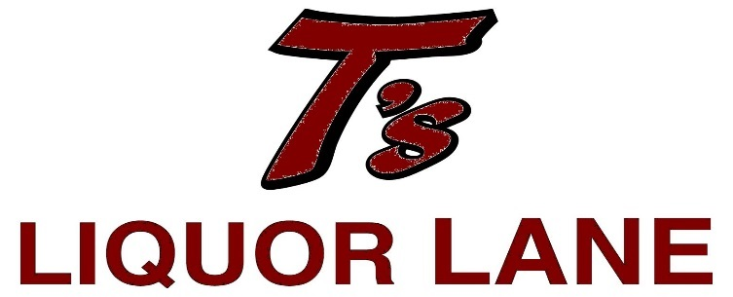 |  |  | Domestic Beer |  |  |  |  | American Whiskey |  | Wines |  |  |  | Soda
 |  |  |  | Cans |  | Kegs |  | Jack Daniels | $47.99 |  |  |  |  | Coke
 |  |  | Budweiser |  | $17.99 |  | $129.99 | Seagram's 7 | $21.99 | Sweet Reds |  | Moscato |  | Diet Coke
 |  |  | Select |  | $17.99 |  | $129.99 | McCormick | $14.99 | St. James Velvet Red 1.5L | $12.99 | Marco Negri Moscato | $16.99 | Pepsi
 |  |  | Bud Light |  | $17.99 |  | $129.99 |  |  | Barefoot Red Moscato 1.5L | $10.99 | Centorri Moscato | $10.99 | Diet Pepsi
 |  |  | Busch |  | $16.09 |  | $125.99 |  |  |  |  | Barefoot Moscato 1.5L | $10.99 | 7-Up
 |  |  | Natural Light |  | $14.29 |  | $116.99 | Canadian Whiskey |  |  |  |  |  | Sprite
 |  |  | Miller Light |  | $18.99 |  | $125.99 | Crown Royal | $55.99 | Dry Reds |  | Riesling |  | Orange
We are here to make your bar set up as easy and convenient as possible. Since every event is so different, we will hep you to customize your bar to accommodate these differences. The items we have listed on this form are for suggestions purposes only.
We will accommodate specialty items at your request. We have provided spaces for your specific requests. Mark an X next to option desired.
 |  |  | Coors Light |  | $18.99 |  | $120.99 | Seagram's VO | $27.99 |  |  | Chateau St. Michelle Riesling | $11.99 | Root Beer
 |  |  | Ultra |  | $22.79 |  | $157.99 | Windsor | $16.99 | Pinot Noir |  | Relax Riesling | $10.99 | Bottled Water
 |  |  |  |  |  |  |  |  |  | 337 Cabernet | $17.99 | Barefoot Riesling 1.5L | $10.99 | Mixers
 |  |  | Craft Beer *Prices Vary* |  |  |  |  |  |  | Grayson Cabernet | $10.99 |  |  | Tonic
 |  |  | Brewry | Type |  |  |  | Bourbons |  | Bogle Cabernet | $9.99 | Pinot Grigio |  | Club Soda
 |  |  | Sam Adams |  |  |  |  | Jim Beam | $28.99 |  |  | Santa Margarita Pinot Grigio | $25.99 | Cranberry Juice
 |  |  | Blue Moon |  |  |  |  | Evan Williams | $23.99 | Merlot |  | Lagaria Pinot Grigio | $11.99 | Orange Juice
 |  |  | Michelob |  |  |  |  | Ten High | $16.99 | Muphys Goode Merlot | $20.99 | Chardonnay |  | Pineapple Juice
 |  |  | Schlafly |  |  |  |  |  |  | Hob Nob Merlot | $9.99 | Simi Chardonnay | $18.99 | Sweet N Sour
 |  |  | 4 Hands |  |  |  |  |  |  |  |  | Grayson Chardonnay | $10.99 | Grenadine
 |  |  |  |  |  |  |  | Dark Rums |  | Pinot Noir |  | Woodbridge Chardonnay | $6.99 | Lime Juice
 |  |  |  |  |  |  |  | Bacardi Gold | $23.99 | Carmel Road Pinot Noir | $20.99 |  |  | Set Ups
 |  |  | Vodka |  |  |  |  | McCormick | $16.99 | Hob Nob Pinot Noir | $10.99 | Sparking Sweets |  | Limes
Special Event Information |  |  | Grey Goose |  | $65.99 |  |  |  |  | Castle Rock Pinot Noit | $10.99 | Barefoot Sparkling Moscato | $8.99 | lemons
Name |  |  | Titos |  | $32.99 |  |  |  |  |  |  | Barefoot Pink Sparkling | $8.99 | Oranges
Date of Event |  |  | Smirnoff |  | $23.99 |  |  | Light Rums |  | Blush |  | Barefoot Peach Sparkling | $8.99 | Cherries
Time of Event |  |  | McCormick |  | $14.99 |  |  | Bacardi Superior | $22.99 | Mulderbach White Cab | 11.99 |  |  | Olives
Type of Event |  |  |  |  |  |  |  | Malibu Coconut | $25.99 | Beringer White Zinfandel | $6.99 | Semi-Sweet Sparkling |  | Salt
Venue | Haue Valley |  |  |  |  |  |  | McCormick | $16.99 | Barefoot Pink Moscato 1.5 L | $10.99 | Martini & Rossi Asti | $13.99 | Cups
Phone Number |  |  | Gin |  |  |  |  |  |  |  |  | Martini & Rossi Rose | $13.99 | 9oz Wine Cups
Alternative Number |  |  | Hendrix 750ml |  | $34.99 |  |  |  |  |  |  | Banfi Regale | $19.99 | 12oz Cups
E-mail Address |  |  | Tanquray |  | $45.99 |  |  | Spiced Rums |  |  |  |  |  | Signature Drinks
# of Guest |  |  | Gordon's |  | $20.99 |  |  | Captain Morgan | $26.99 |  |  | Sparkling Dry |  | Margatitas 5 Gallons | $65.00
 |  |  |  |  |  |  |  | Admiral Nelson | $19.99 |  |  | Moet & Chadon | $56.99 | Moscow Mules
Services Desired |  |  |  |  |  |  |  |  |  |  |  | Barefoot Prosecco | $9.99 | Spiked Lemonade 1 Gallon | $25.00
Haue Valley Bar Service |  | $600.00 | Amaretto |  |  |  |  |  |  |  |  | Barefoot Brute | $8.99 | Vodka Punch 2 Gallons | $45.00
Cash Bar Service |  | $650.00 | Disaronno 750ml |  | $23.99 |  |  |  |  |  |  |  |  | Rum Punch 1 Gallon | $45.00
 |  |  | Dekuyper 750ml |  | $12.59 |  |  |  |  |  |  | * Wine bottles come in 750ml unless separately posted. |  | Cherry Limeades 3 Gallons | $35.00
 |  |  | Trave 750ml |  | $7.99 |  |  |  |  |  |  | * Canned beers come in 24 pks. |  | Red Sangria 5 Gallons | $55.00
 |  |  |  |  |  |  |  |  |  |  |  | * Keg prices are for 1/2 barrels. |  | White Sangria 1 Gallon | $35.00
 |  |  |  |  |  |  |  |  |  |  |  | * Liquors come in 1.75L bottles unless separately posted. |  | Strawberry Daiquiri | $35.00
 |  |  |  |  |  |  |  |  |  |  |  |  |  | Specialty (Recipe Required)

